Main
Flush

Player |  |  |  |  |  | Dealer


Reset
 |  |  |  | Winning Hands | Pair Plus Payout |  |  | if Dealer did not qualify
Credits |  | Bet | Payout | Pair | Even money for a pair |  |  | Ante bet is paid even money
$1,000 |  | $0 | $0 | Flush | 4 to 1 for a flush |  |  | and the play bet is returned.
$1
 |  |  |  | Straight | 6 to 1 for a straight
 |  |  |  | Three of a Kind | 30 to 1 for three of a kind |  |  | If Dealer Qualify
$10
FOLD
 |  | $0 | $0 | Straight Flush | 40 to 1 for a straight flush |  |  | If Dealer & Player Tie,
 |  |  |  |  |  |  |  | Ante and Play bet is returned
$50
PLAY
 |  |  |  | Winning Hands | Ante Payout (Dealer must have atleast one Queen)
$100
 |  |  |  | Pair | Even money for a pair |  |  | if Player win ,Ante bet pays
 |  | $0 | $0 | Flush | Even money for a flush |  |  | according to table, Play bet
$500
 |  |  |  | Straight | Even money for a straight |  |  | paid even money.
DEAL CARD
 |  |  |  | Three of a Kind | 4 to 1 for three of a kind
UNDO
 | TOTAL: | $0 | $0 | Straight Flush | 5 to 1 for a straight flush

 |  |  |  |  |  |  | 3 Card Poker Game Programmed By Remy Lim 2017 Ver 1.0

Card_DataBase
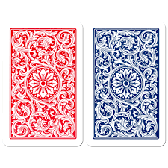
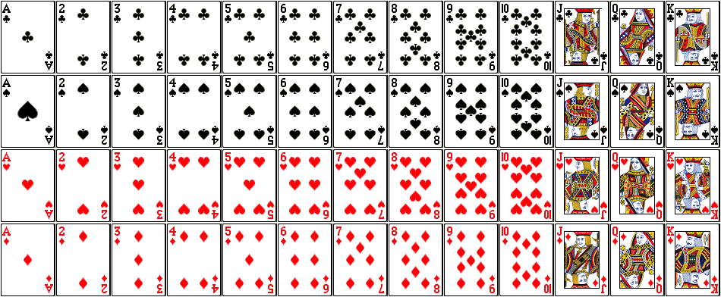
 | 1 | K | S | 13

 | 2 | Q | S | 12

 | 3 | J | S | 11

 | 4 | 10 | S | 10

 | 5 | 9 | S | 9

 | 6 | 8 | S | 8

 | 7 | 7 | S | 7

 | 8 | 6 | S | 6

Card Pic Size 1.5" x 1.1"
 | 9 | 5 | S | 5

 | 10 | 4 | S | 4

 | 11 | 3 | S | 3

 | 12 | 2 | S | 2

 | 13 | 1 | S | 1

 | 14 | K | H | 13

 | 15 | Q | H | 12

 | 16 | J | H | 11

 | 17 | 10 | H | 10

 | 18 | 9 | H | 9

 | 19 | 8 | H | 8

 | 20 | 7 | H | 7

 | 21 | 6 | H | 6

 | 22 | 5 | H | 5

 | 23 | 4 | H | 4

 | 24 | 3 | H | 3

 | 25 | 2 | H | 2

 | 26 | 1 | H | 1

 | 27 | K | C | 13

 | 28 | Q | C | 12

 | 29 | J | C | 11

 | 30 | 10 | C | 10

 | 31 | 9 | C | 9

 | 32 | 8 | C | 8

 | 33 | 7 | C | 7

 | 34 | 6 | C | 6

 | 35 | 5 | C | 5

 | 36 | 4 | C | 4

 | 37 | 3 | C | 3

 | 38 | 2 | C | 2

 | 39 | 1 | C | 1

 | 40 | K | D | 13

 | 41 | Q | D | 12

 | 42 | J | D | 11

 | 43 | 10 | D | 10

 | 44 | 9 | D | 9

 | 45 | 8 | D | 8

 | 46 | 7 | D | 7

 | 47 | 6 | D | 6

 | 48 | 5 | D | 5

 | 49 | 4 | D | 4

 | 50 | 3 | D | 3

 | 51 | 2 | D | 2

 | 52 | 1 | D | 1

 | 53 | ?

